tabel_kfold
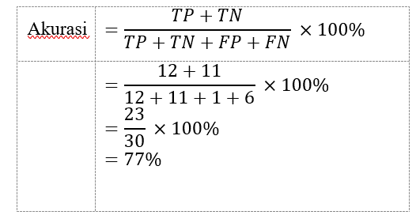
Jenis | No | F1 (Data) | F2 (Data) | Kelas |  | Jenis | No | F1 (Data) | F2 (Data) | Kelas |  | Jenis | No | F1 (Data) | F2 (Data) | Kelas
 |  | mg | mL | Hasil Pengujian | Hasil Prediksi |  |  | mg | mL | Hasil Pengujian | Hasil Prediksi |  |  | mg | mL | Hasil Pengujian | Hasil Prediksi
Sampel air 1 | 1 | 35 | 1000 | A | A | Sampel air 11 | 11 | 25.7 | 500 | A | A | Sampel air 21 | 21 | 16.3 | 700 | B | B
Sampel air 2 | 2 | 32.1 | 950 | A | B | Sampel air 12 | 12 | 25.1 | 450 | A | A | Sampel air 22 | 22 | 15.4 | 650 | B | B
Sampel air 3 | 3 | 31 | 900 | A | A | Sampel air 13 | 13 | 24.3 | 400 | A | A | Sampel air 23 | 23 | 15 | 600 | B | B
Sampel air 4 | 4 | 29.7 | 850 | A | A | Sampel air 14 | 14 | 24 | 350 | A | B | Sampel air 24 | 24 | 14.9 | 550 | B | B
Sampel air 5 | 5 | 29 | 800 | A | B | Sampel air 15 | 15 | 23.7 | 300 | A | B | Sampel air 25 | 25 | 14.6 | 500 | B | B
Sampel air 6 | 6 | 28.5 | 750 | A | A | Sampel air 16 | 16 | 22 | 250 | A | B | Sampel air 26 | 26 | 14.1 | 450 | B | B
Sampel air 7 | 7 | 28.2 | 700 | A | A | Sampel air 17 | 17 | 21.7 | 200 | A | B | Sampel air 27 | 27 | 14 | 400 | B | B
Sampel air 8 | 8 | 27.6 | 650 | A | A | Sampel air 18 | 18 | 18 | 850 | B | B | Sampel air 28 | 28 | 13.6 | 350 | B | B
Sampel air 9 | 9 | 27.3 | 600 | A | A | Sampel air 19 | 19 | 17.7 | 800 | B | B | Sampel air 29 | 29 | 13.4 | 300 | B | A
Sampel air 10 | 10 | 26.9 | 550 | A | A | Sampel air 20 | 20 | 17.5 | 750 | B | B | Sampel air 30 | 30 | 40 | 900 | A | A

K Fold Cross validation |  |  |  |  |  |  | Confusion Matrix
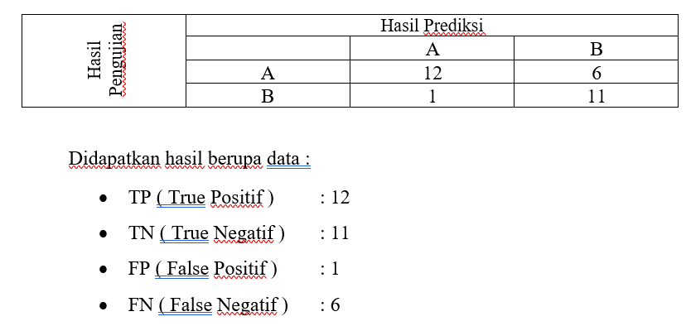
 |  |  |  |  |  |  |  |  |  |  |  |  |  |  |  |  |  | Akurasi

